UI Changes_2
 |  | Required Changes in UI |  |  | Required Changes in UI |  |  | Required Changes in UI

PROJECT MODE |  |  | SIMPLE MODE |  |  | CHECKMODE
GUI CHANGES |  |  | GUI CHANGES |  |  | GUI CHANGES
 | No Changes in Check Mode |  |  | No Changes in Check Mode |  |  | No Changes in Check Mode

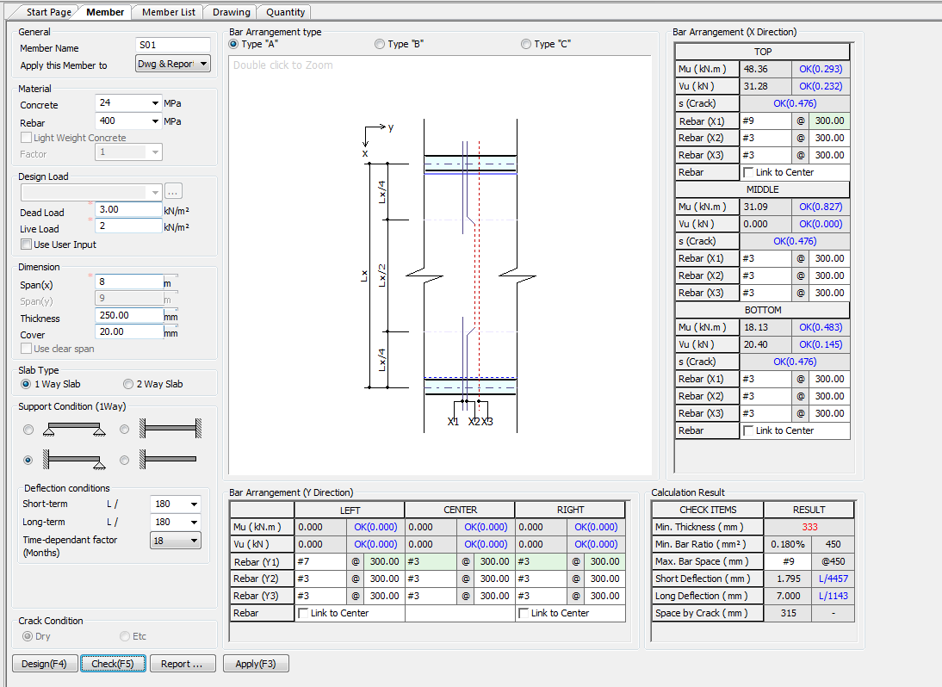


Limit
250
350
350
7
28
365
(Days)
Total Deflection (mm)

UI CHECK
UI Checking

Checks
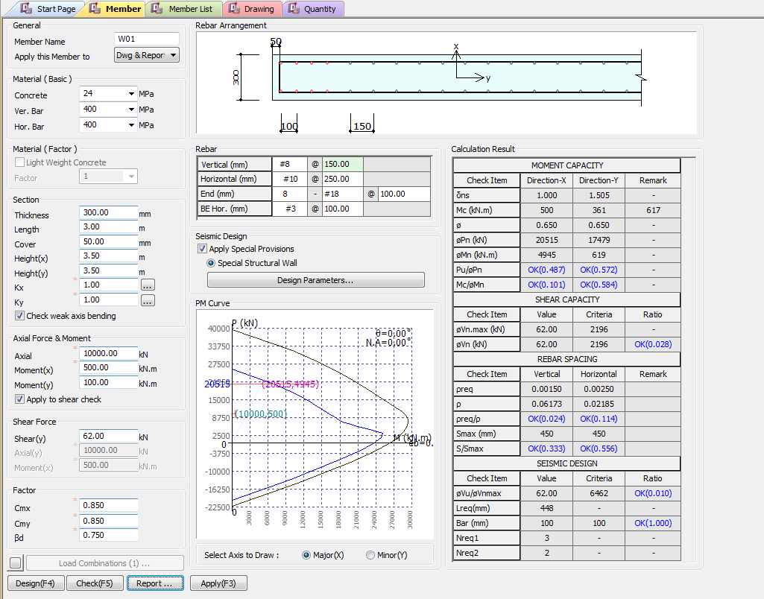

Pn(KN)
Apply IS 13920 Design
Mn(KN.m)
Additional Boundary Element Load
Pu/Pn
Mc/Mn
 | Pinput/Pprovided
 | Minput/Mprovided
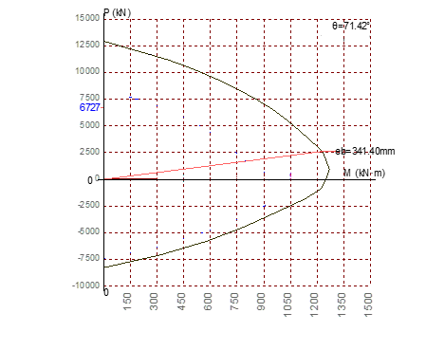
Vn (KN)
Vu/Vn
 | Vinput/Vprodived Check

 | Require area steel/Provided area of Steel

 | providedSpaicng/ MaxSpacing

 | providedSpaicng/ MaxSpacing

CODE PROVISIONS
CODE PROVISION

IS456:2000 CODE PROVISIONS
SP 16
SP 24
IS13920:2016

IS456:2000 SLAB CODE PROVISIONS

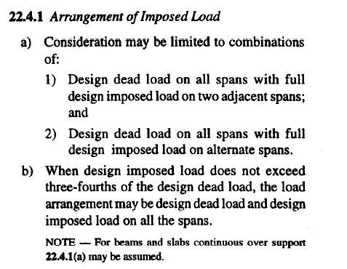
 | Structural Frames |  |  |  |  |  |  | [IS456:2000 22.4]

 | Assumptions

 | LiveLoad <= 3/4 DeadLoad -> |  |  | Load = DL + LL |  |  |  | [IS456:2000 22.4.1 b]

 | Moment and Shear Coefficients for continuous Beam |  |  |  |  |  |  | [IS456:2000 22.5]

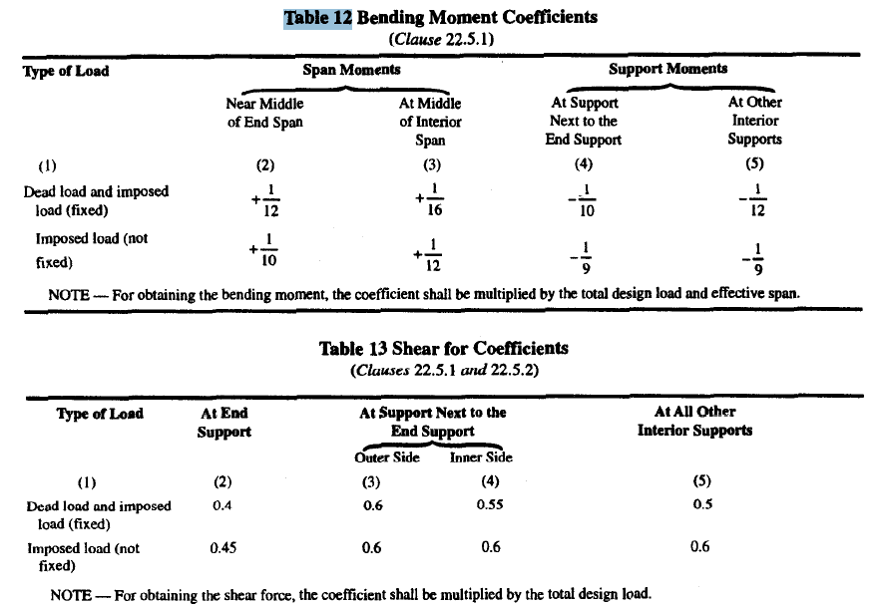
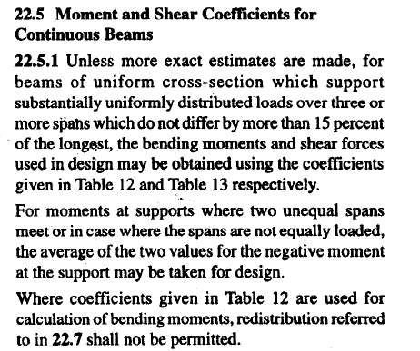

Shear Multiplying factor for slab |  |  |  |  |  |  |  |  | [IS456:2000 40.2.1.1]

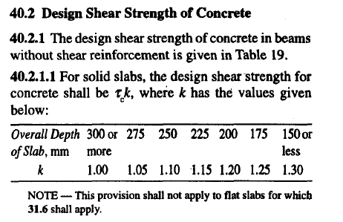
 |  | k=(400/d)^(1/4) |  | (400/d) < 1

Design Shear Strength of Concrete Tc Formula |  |  |  |  |  |  |  |  | [IS456:2000 Table 19]

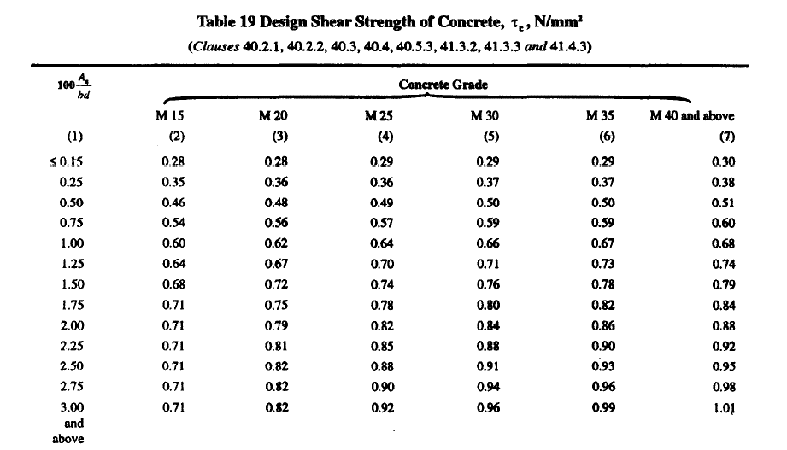

Max Shear Stress TcMax Formula |  |  |  |  |  |  |  |  | [IS456:2000 Table 20]

Solid Slab Nominal shear stress shall not exceed half of table 20 Value |  |  |  |  |  |  |  |  | [IS456:2000 40.2.3.1]

 | Tv <= 1/2 Tcmax

 |  |  |  |  |  |  |  |  | [IS456:2000 26.5.1.6]

 | Span/ Depth ratios
 |  | One way slab |  |  |  |  |  |  | [IS456:2000 23.2.1]
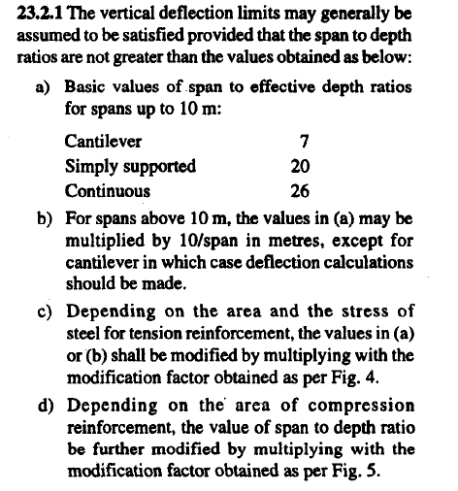

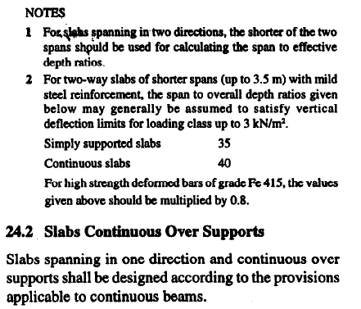

 |  | Two way slab |  |  |  |  |  |  | [IS456:2000 24.1]

Nominal Cover |  |  | 15mm or Diameter of Bar |  |  |  |  |  | [IS456:2000 26.4.1]

Calculate Moment Capasity of Slab |  |  |  |  |  |  |  |  | [IS456:2000 Annex G 1.1]

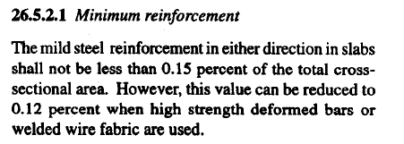

Min reinforcement |  |  |  |  |  |  |  |  | [IS456:2000 26.5.2.1]

 |  |  | 0.15 b d |  | For Fe 250

 |  |  | 0.12 b d |  | For Fe 415 or +

Min Dia |  |  |  |  |  |  |  |  | [IS456:2000 26.5.2.2]

 |  |  | Dia <= 1/8 x t |  |  | t = thickness of slab

Spacing Steel |  |  |  |  |  |  |  |  | [IS456:2000 26.3.3]
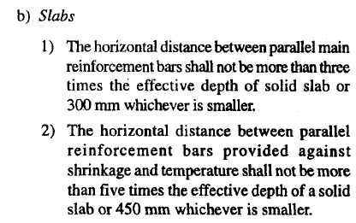
 | Main Steel Min of below
 |  | <= 3t |  |  |  | t = thickness of slab
 |  | 300

 | Secondary steel Min of below |  |  |  |  | t = thickness of slab
 |  | <=5t
 |  | 450

Partial Safety Factor for Loads |  |  |  |  |  |  |  |  | [IS456:2000 Table 18]

 |  |  | 1.5(DL + LL)

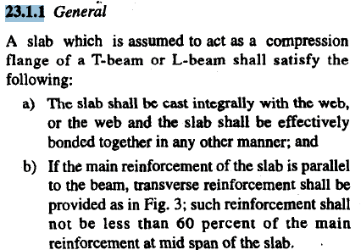

TwoWay Slab |  |  |  |  |  |  |  |  | [IS456:2000 Annex D]
 |  | Ly/Lx > 2 OneWay Slab
 |  | Ly/Lx <= 2 TwoWay Slab

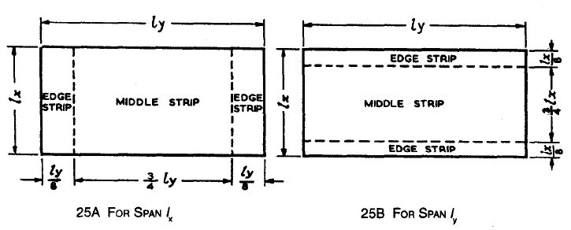

 |  |  |  |  |  |  |  |  | [IS456:2000 Annex D-1.2]
Middle strip 3/4 lx |  | 3/4 ly
End strip 1/8 lx |  | 1/8 ly

Maximum Bending momen Per Unit width in a Slab |  |  |  |  |  |  |  |  | [IS456:2000 Annex D-1.1]
 |  | When Corners of slab are prevented from lifting

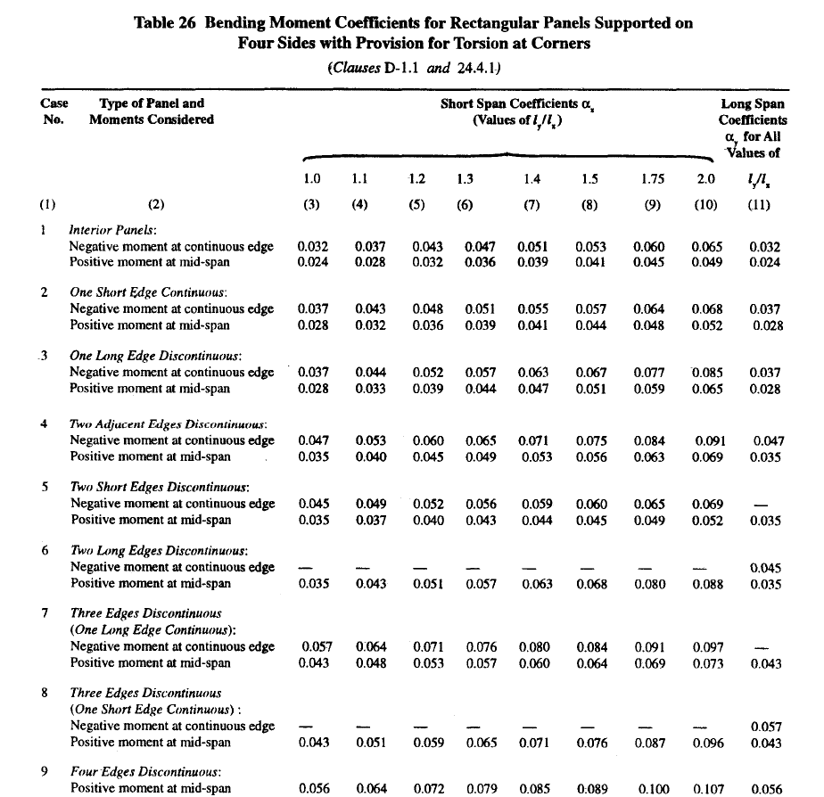
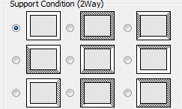

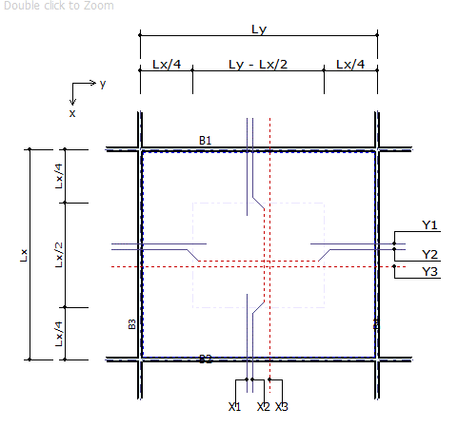

Ly Longer direction

Lx Short direction

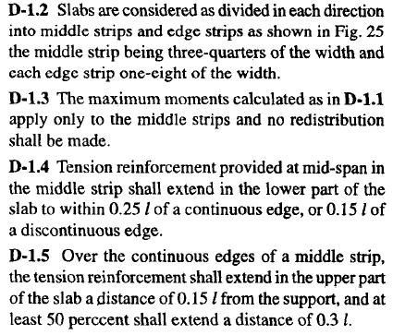
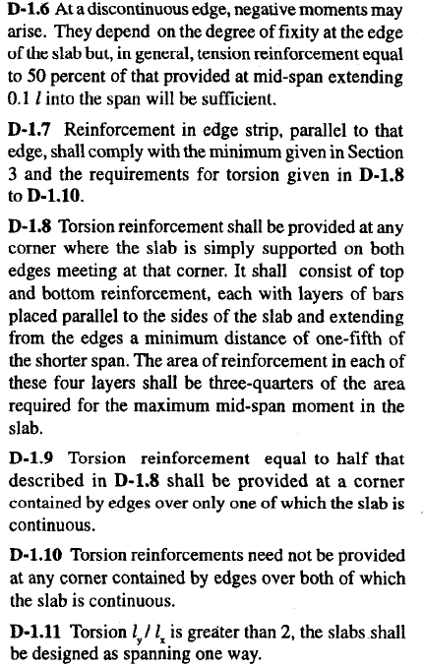

Simply Supported Slabs

CORNER REINFORCEMENT FOR TWO WAY SLAB |  |  |  |  |  |  |  |  | [IS456:2000 Annex D-1.8]

 | DISCONTINEOUS ON BOTH SIDE
 |  |  | Ast = 3/4 Ast(Maxmoment) |  |  |  | Provide for Lx/5 length

 | DISCONTINEOUS ON ONE SIDE
 |  |  | Ast = 3/4 Ast(Maxmoment)/2 |  |  |  | Provide for Lx/5 length

 |  | Provide on top and bottom both in x and y direction

LOADING ON SUPPORTING BEAMS |  |  |  |  |  |  |  |  | [IS456:2000 Annex 24.5]
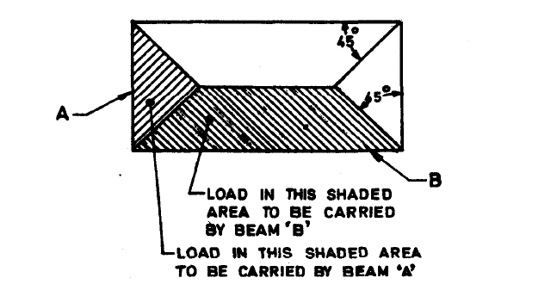

 |  | WX = w Lx2/4
 |  | WY = 1/3(2-1/k) w Lx k=Ly/Lx

Critical Section For Shear in Slab |  |  |  |  |  |  |  |  | [IS456:2000 Annex 22.6]

 |  |  | v vo - w'(d +b/2) |  |  | w1 average load
 |  |  |  |  |  | d effective depth slab
 |  |  |  |  |  | b breadth of beam

Controle Deflection using Min Percentage of steel + Max diameter of bar + span/defection.

FLOWCHART4
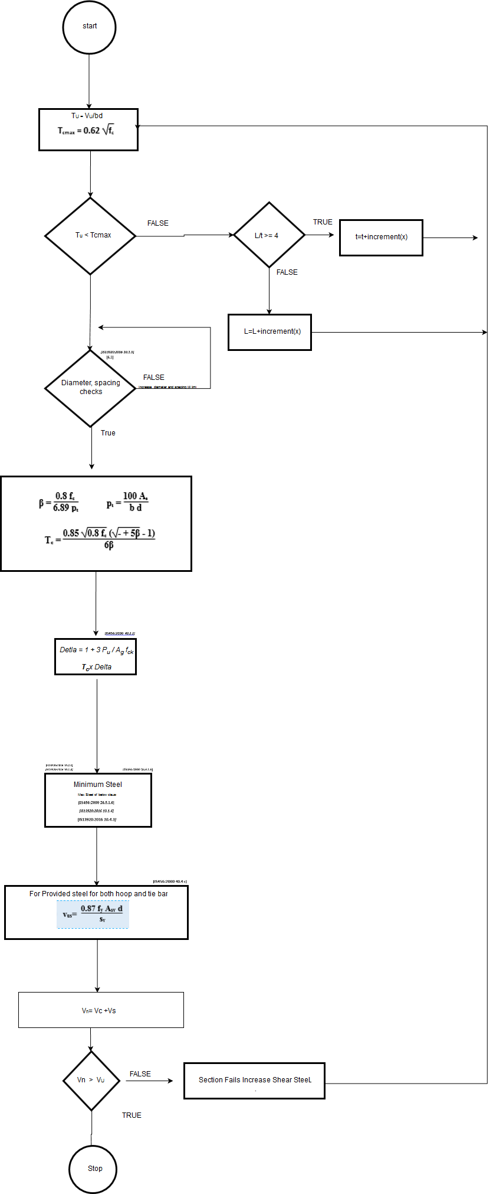
Flow Chart

FLOW CHARTS STEPS

Axial and Moment Check

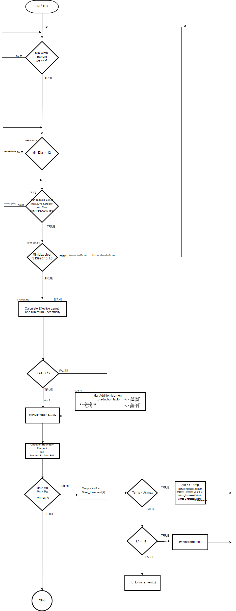

IS:13920 10.1.3

Max Dia<=tw/10

Shear check

REPORT3
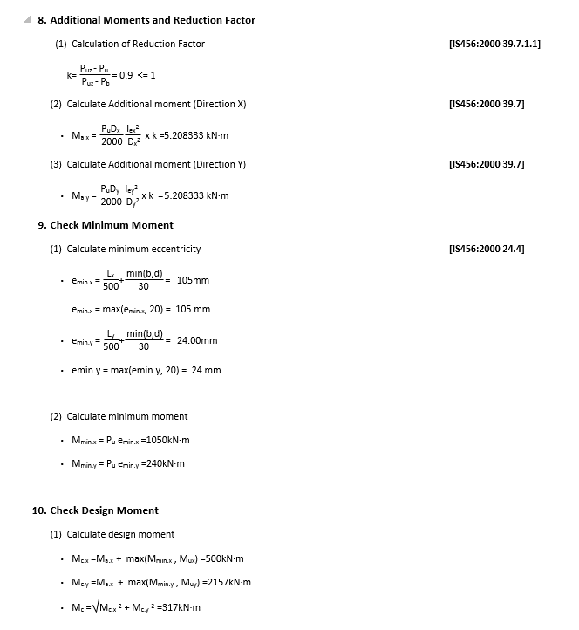
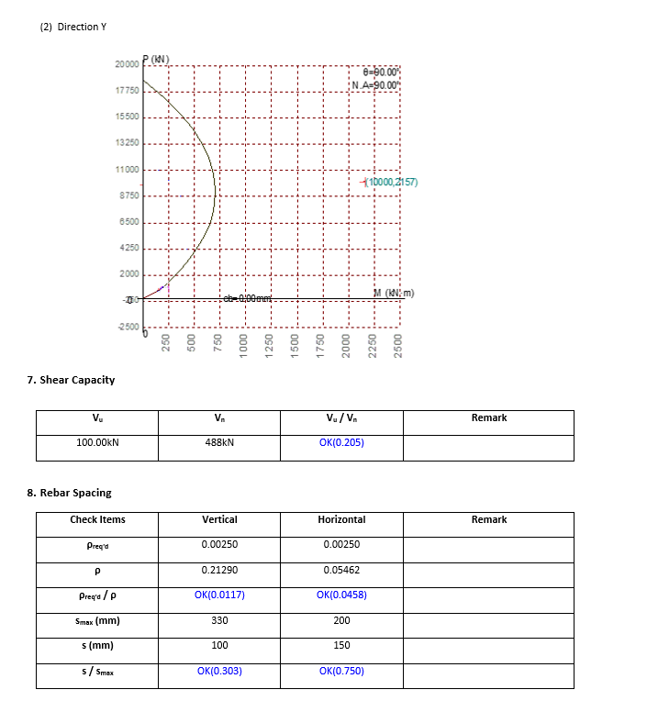
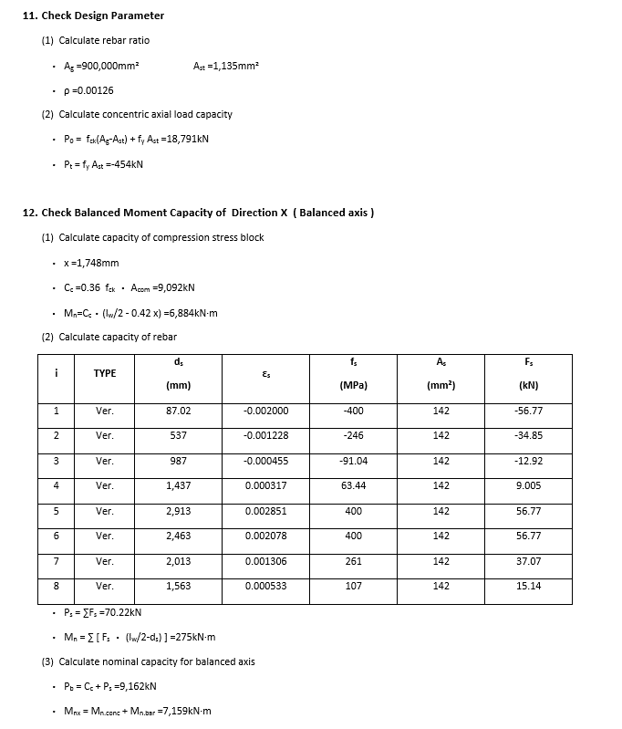
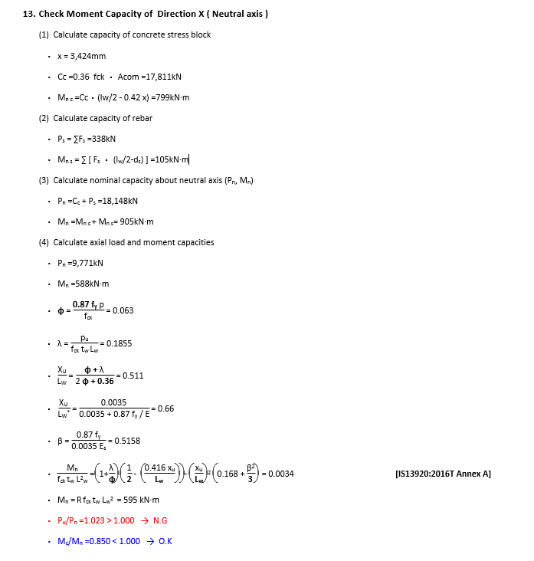
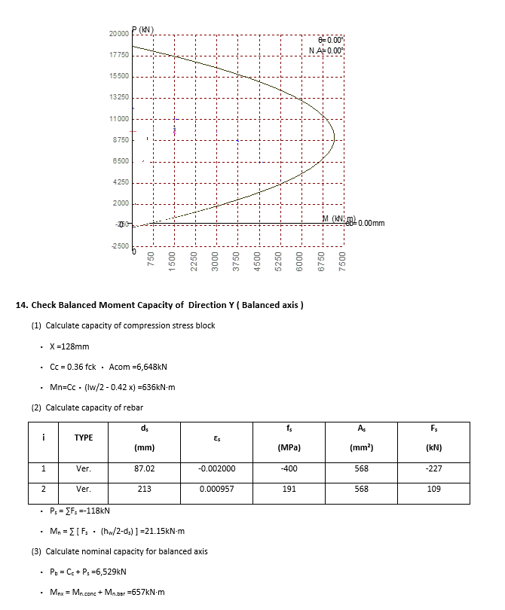
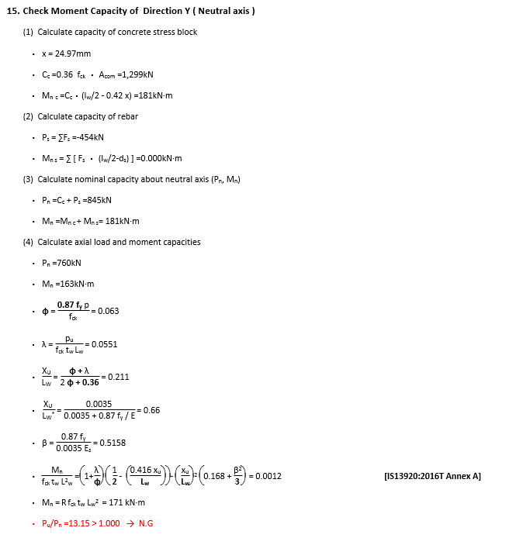
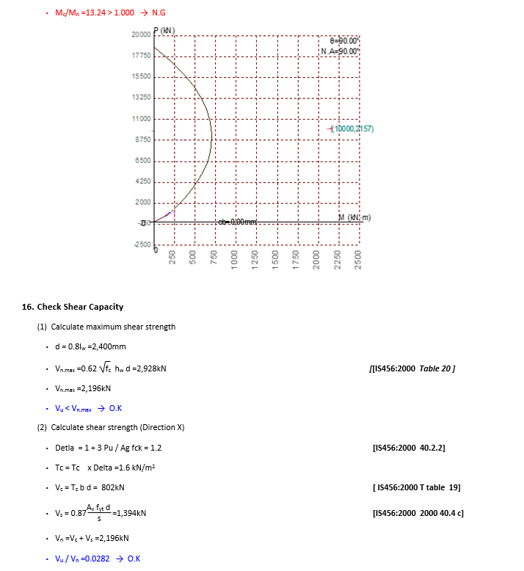
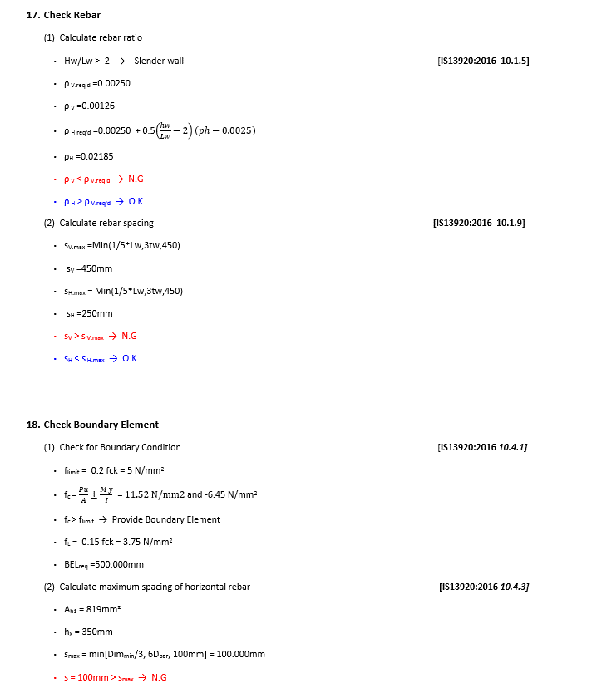
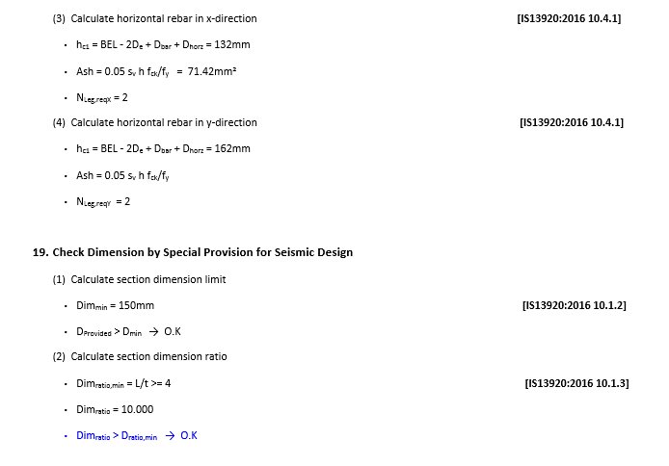
 | REPORT

Detail Report |  | Summary Report
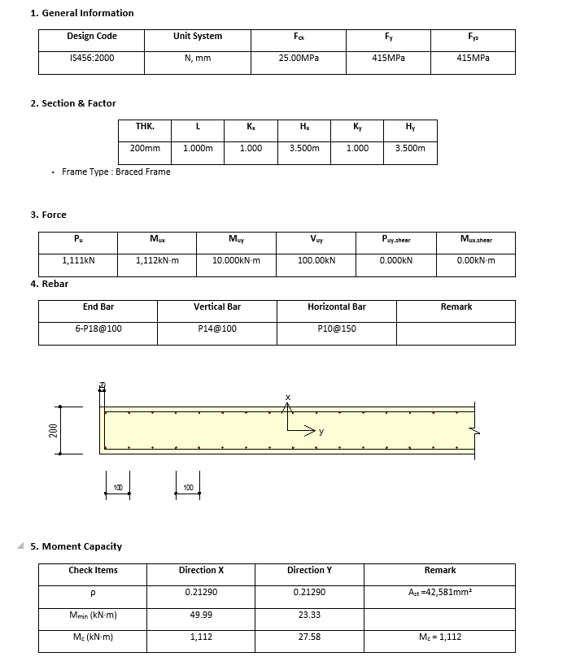
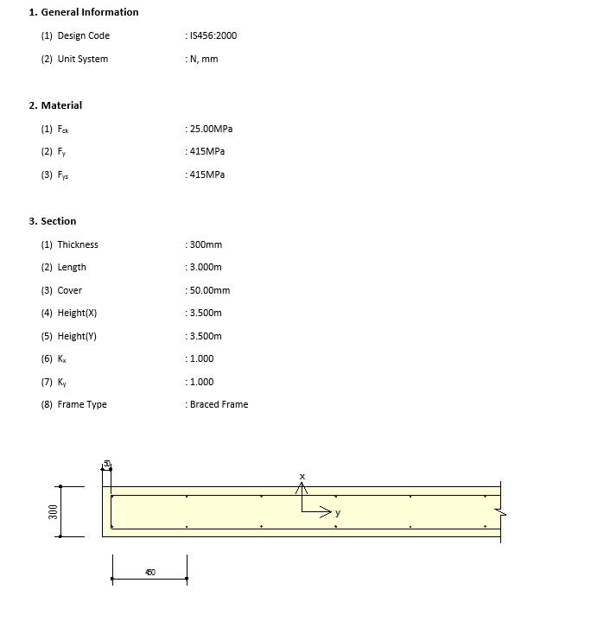

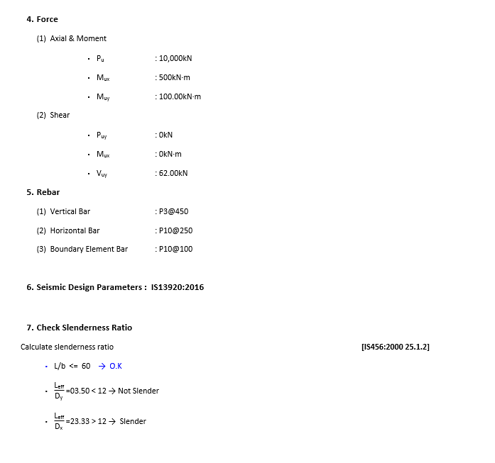

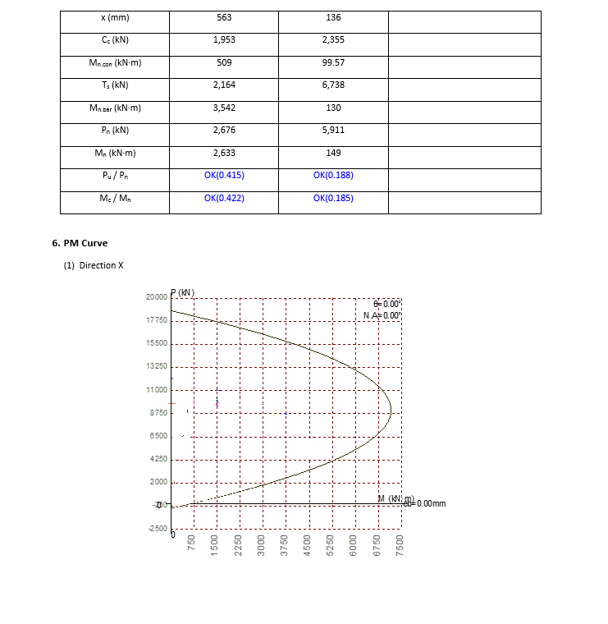

100 t^2/d for cantilever

Comments
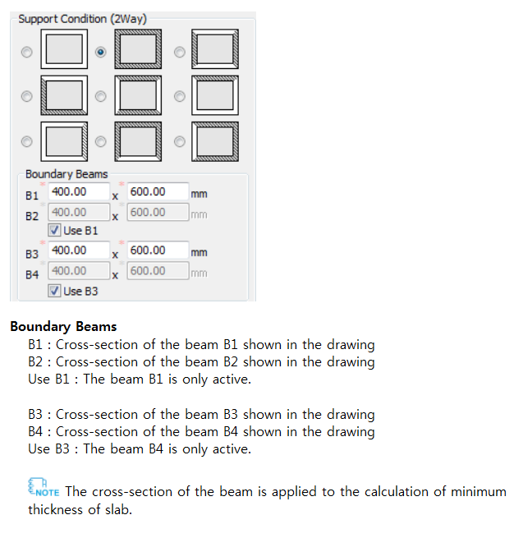
Comments / Special Points
 |  | 1

1 | The cross-section of the beam is applied to the calculation of minimum thickness of slab.
2 | Type-A" or "Type-B", rebar amount by the combination of the X1(Y1)/X2(Y2) is applied to the negative moment calculation and rebar amount by the combination of the X2(Y2)/X3(Y3)
3 | Adequate depths provided for deflection control
4 | Thickness of oneway slab base on supporting conditions
5
6
7
8
9
10
11
12
13
14
15
16
17
18
19
20
21
22
23
24
25
26
27
28
29
30
31
32
33
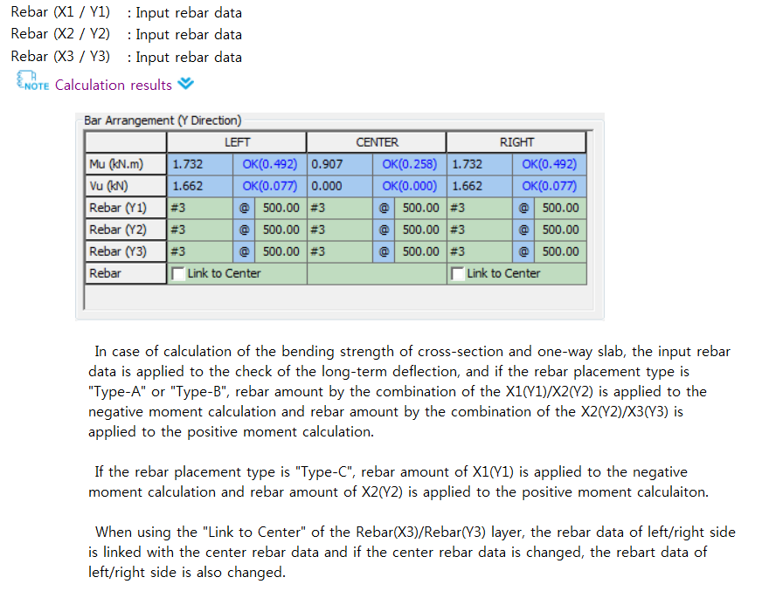
34 |  | 2
35
36
37
38

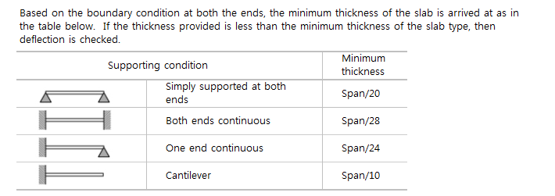
 |  | 4

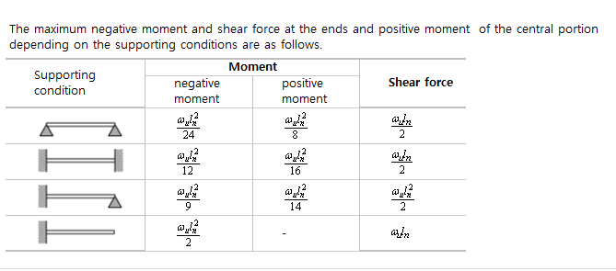
 |  | 5

Sheet1
b | d | fy | fck | As | xu | xu/d | Mn | Mns | x/d | xu/d section | xu/dmax
250 | 500 | 415 | 20 | 1000 | 1 | 0.002 | 3.7318626E+11 | 150557850 | 0.65698447612 | 0.40116666667 | 0.48 | Ensures that steel fail
250 | 500 | 415 | 20 | 1000 | 2 | 0.004 | 745745040000 | 150557850 | 62.888927551
 | Mn
1 | 3.7318626E+11
2 | 745745040000
3 | 1.11767634E+12
4 | 1488980160000
5 | 1.8596565E+12
6 | 2.22970536E+12
7 | 2.59912674E+12
8 | 2967920640000
9 | 3336087060000
10 | 3703626000000
11 | 4070537460000
12 | 4436821440000
13 | 4.80247794E+12
14 | 5.16750696E+12
15 | 5.5319085E+12
16 | 5895682560000
17 | 6258829140000
18 | 6621348240000
19 | 6983239860000
20 | 7.344504E+12
21 | 7705140660000
22 | 8065149840000
23 | 8424531540000
24 | 8.78328576E+12
25 | 9141412500000
26 | 9.49891176E+12
27 | 9.85578354E+12
28 | 10212027840000
29 | 1.056764466E+13
30 | 1.0922634E+13
31 | 11276995860000
32 | 11630730240000
33 | 1.198383714E+13
34 | 12336316560000
35 | 1.26881685E+13
36 | 1.303939296E+13
37 | 1.338998994E+13
38 | 13739959440000
39 | 14089301460000
40 | 14438016000000
41 | 1.478610306E+13
42 | 1.513356264E+13
43 | 15480394740000
44 | 15826599360000
45 | 16172176500000
46 | 1.651712616E+13
47 | 1.686144834E+13
48 | 17205143040000
49 | 17548210260000
50 | 1.789065E+13
...
250 | 500 | 415 | 20 | 1000 | 3 | 0.006 | 1.11767634E+12 | 150557850 | 77.044295694
250 | 500 | 415 | 20 | 1000 | 4 | 0.008 | 1488980160000 | 150557850 | 88.96263435
250 | 500 | 415 | 20 | 1000 | 5 | 0.01 | 1.8596565E+12 | 150557850 | 99.449539752
250 | 500 | 415 | 20 | 1000 | 6 | 0.012 | 2.22970536E+12 | 150557850 | 108.91835032
250 | 500 | 415 | 20 | 1000 | 7 | 0.014 | 2.59912674E+12 | 150557850 | 117.61471267
250 | 500 | 415 | 20 | 1000 | 8 | 0.016 | 2967920640000 | 150557850 | 125.69874662
250 | 500 | 415 | 20 | 1000 | 9 | 0.018 | 3336087060000 | 150557850 | 133.28171827
250 | 500 | 415 | 20 | 1000 | 10 | 0.02 | 3703626000000 | 150557850 | 140.44467345
250 | 500 | 415 | 20 | 1000 | 11 | 0.022 | 4070537460000 | 150557850 | 147.24882055
250 | 500 | 415 | 20 | 1000 | 12 | 0.024 | 4436821440000 | 150557850 | 153.74173195
250 | 500 | 415 | 20 | 1000 | 13 | 0.026 | 4.80247794E+12 | 150557850 | 159.96125502
250 | 500 | 415 | 20 | 1000 | 14 | 0.028 | 5.16750696E+12 | 150557850 | 165.93808879
250 | 500 | 415 | 20 | 1000 | 15 | 0.03 | 5.5319085E+12 | 150557850 | 171.69754396
250 | 500 | 415 | 20 | 1000 | 16 | 0.032 | 5895682560000 | 150557850 | 177.26078197
250 | 500 | 415 | 20 | 1000 | 17 | 0.034 | 6258829140000 | 150557850 | 182.64571001
250 | 500 | 415 | 20 | 1000 | 18 | 0.036 | 6621348240000 | 150557850 | 187.86764204
250 | 500 | 415 | 20 | 1000 | 19 | 0.038 | 6983239860000 | 150557850 | 192.93979659
250 | 500 | 415 | 20 | 1000 | 20 | 0.04 | 7.344504E+12 | 150557850 | 197.87367791
250 | 500 | 415 | 20 | 1000 | 21 | 0.042 | 7705140660000 | 150557850 | 202.67937238
250 | 500 | 415 | 20 | 1000 | 22 | 0.044 | 8065149840000 | 150557850 | 207.36578206 | Nutral Axis deponds upon the section and percentage of steel
250 | 500 | 415 | 20 | 1000 | 23 | 0.046 | 8424531540000 | 150557850 | 211.94081098 | For that Nutral Axis increase the load and obtain the strains
250 | 500 | 415 | 20 | 1000 | 24 | 0.048 | 8.78328576E+12 | 150557850 | 216.41151535
250 | 500 | 415 | 20 | 1000 | 25 | 0.05 | 9141412500000 | 150557850 | 220.78422582
250 | 500 | 415 | 20 | 1000 | 26 | 0.052 | 9.49891176E+12 | 150557850 | 225.06464808 | From Mu input and we know b d fck fst Don’t know steel
250 | 500 | 415 | 20 | 1000 | 27 | 0.054 | 9.85578354E+12 | 150557850 | 229.25794604 | We Obtain x as per Mu THIS X MUST BE LESS THAN LIMIT TO ENSURE UNDER REINFORCEMENT
250 | 500 | 415 | 20 | 1000 | 28 | 0.056 | 10212027840000 | 150557850 | 233.36881143 | Then Calculate Steel for Countering Mu
250 | 500 | 415 | 20 | 1000 | 29 | 0.058 | 1.056764466E+13 | 150557850 | 237.40152218
250 | 500 | 415 | 20 | 1000 | 30 | 0.06 | 1.0922634E+13 | 150557850 | 241.35999192 | We Know b d fck fst ast All We Know the Steel
250 | 500 | 415 | 20 | 1000 | 31 | 0.062 | 11276995860000 | 150557850 | 245.24781207 | we Obtain x exact equilebrium for section USING STRAIN COMPATABILITY METHOD : CONDITION UNDER REINFORCEMENT BY TAKINING STRAIN OF CONCRETE 0.0035
250 | 500 | 415 | 20 | 1000 | 32 | 0.064 | 11630730240000 | 150557850 | 249.06828787
250 | 500 | 415 | 20 | 1000 | 33 | 0.066 | 1.198383714E+13 | 150557850 | 252.82446941
250 | 500 | 415 | 20 | 1000 | 34 | 0.068 | 12336316560000 | 150557850 | 256.51917841
250 | 500 | 415 | 20 | 1000 | 35 | 0.07 | 1.26881685E+13 | 150557850 | 260.15503157
250 | 500 | 415 | 20 | 1000 | 36 | 0.072 | 1.303939296E+13 | 150557850 | 263.73446084
250 | 500 | 415 | 20 | 1000 | 37 | 0.074 | 1.338998994E+13 | 150557850 | 267.25973129
250 | 500 | 415 | 20 | 1000 | 38 | 0.076 | 13739959440000 | 150557850 | 270.73295667
250 | 500 | 415 | 20 | 1000 | 39 | 0.078 | 14089301460000 | 150557850 | 274.15611331
250 | 500 | 415 | 20 | 1000 | 40 | 0.08 | 14438016000000 | 150557850 | 277.53105231
250 | 500 | 415 | 20 | 1000 | 41 | 0.082 | 1.478610306E+13 | 150557850 | 280.85951041
250 | 500 | 415 | 20 | 1000 | 42 | 0.084 | 1.513356264E+13 | 150557850 | 284.14311966
250 | 500 | 415 | 20 | 1000 | 43 | 0.086 | 15480394740000 | 150557850 | 287.3834161
250 | 500 | 415 | 20 | 1000 | 44 | 0.088 | 15826599360000 | 150557850 | 290.58184749
250 | 500 | 415 | 20 | 1000 | 45 | 0.09 | 16172176500000 | 150557850 | 293.73978028
250 | 500 | 415 | 20 | 1000 | 46 | 0.092 | 1.651712616E+13 | 150557850 | 296.85850588
250 | 500 | 415 | 20 | 1000 | 47 | 0.094 | 1.686144834E+13 | 150557850 | 299.93924633
250 | 500 | 415 | 20 | 1000 | 48 | 0.096 | 17205143040000 | 150557850 | 302.98315942
250 | 500 | 415 | 20 | 1000 | 49 | 0.098 | 17548210260000 | 150557850 | 305.99134332
250 | 500 | 415 | 20 | 1000 | 50 | 0.1 | 1.789065E+13 | 150557850 | 308.96484084
250 | 500 | 415 | 20 | 1000 | 51 | 0.102 | 18232462260000 | 150557850 | 311.90464326
250 | 500 | 415 | 20 | 1000 | 52 | 0.104 | 1.857364704E+13 | 150557850 | 314.81169382
250 | 500 | 415 | 20 | 1000 | 53 | 0.106 | 1.891420434E+13 | 150557850 | 317.68689096
250 | 500 | 415 | 20 | 1000 | 54 | 0.108 | 19254134160000 | 150557850 | 320.5310912
250 | 500 | 415 | 20 | 1000 | 55 | 0.11 | 1.95934365E+13 | 150557850 | 323.34511192
250 | 500 | 415 | 20 | 1000 | 56 | 0.112 | 19932111360000 | 150557850 | 326.12973375
250 | 500 | 415 | 20 | 1000 | 57 | 0.114 | 2.027015874E+13 | 150557850 | 328.8857029
250 | 500 | 415 | 20 | 1000 | 58 | 0.116 | 2.060757864E+13 | 150557850 | 331.61373322
250 | 500 | 415 | 20 | 1000 | 59 | 0.118 | 2.094437106E+13 |  | 334.31450818
250 | 500 | 415 | 20 | 1000 | 60 | 0.12 | 21280536000000 |  | 336.98868262
250 | 500 | 415 | 20 | 1000 | 61 | 0.122 | 2.161607346E+13 |  | 339.63688443
250 | 500 | 415 | 20 | 1000 | 62 | 0.124 | 21950983440000 |  | 342.25971606
250 | 500 | 415 | 20 | 1000 | 63 | 0.126 | 2.228526594E+13 |  | 344.85775598
250 | 500 | 415 | 20 | 1000 | 64 | 0.128 | 22618920960000 |  | 347.43155997
250 | 500 | 415 | 20 | 1000 | 65 | 0.13 | 2.29519485E+13 |  | 349.98166236
250 | 500 | 415 | 20 | 1000 | 66 | 0.132 | 23284348560000 |  | 352.50857718
250 | 500 | 415 | 20 | 1000 | 67 | 0.134 | 23616121140000 |  | 355.01279925
250 | 500 | 415 | 20 | 1000 | 68 | 0.136 | 23947266240000 |  | 357.49480511
250 | 500 | 415 | 20 | 1000 | 69 | 0.138 | 24277783860000 |  | 359.95505403
250 | 500 | 415 | 20 | 1000 | 70 | 0.14 | 2.4607674E+13 |  | 362.39398883
250 | 500 | 415 | 20 | 1000 | 71 | 0.142 | 2.493693666E+13 |  | 364.81203672
250 | 500 | 415 | 20 | 1000 | 72 | 0.144 | 25265571840000 |  | 367.20961003
250 | 500 | 415 | 20 | 1000 | 73 | 0.146 | 2.559357954E+13 |  | 369.58710699
250 | 500 | 415 | 20 | 1000 | 74 | 0.148 | 25920959760000 |  | 371.94491232
250 | 500 | 415 | 20 | 1000 | 75 | 0.15 | 2.62477125E+13 |  | 374.28339793
250 | 500 | 415 | 20 | 1000 | 76 | 0.152 | 2.657383776E+13 |  | 376.6029235
250 | 500 | 415 | 20 | 1000 | 77 | 0.154 | 2.689933554E+13 |  | 378.90383699
250 | 500 | 415 | 20 | 1000 | 78 | 0.156 | 2.722420584E+13 |  | 381.18647523
250 | 500 | 415 | 20 | 1000 | 79 | 0.158 | 2.754844866E+13 |  | 383.4511644
250 | 500 | 415 | 20 | 1000 | 80 | 0.16 | 27872064000000 |  | 385.69822047
250 | 500 | 415 | 20 | 1000 | 81 | 0.162 | 2.819505186E+13 |  | 387.92794966
250 | 500 | 415 | 20 | 1000 | 82 | 0.164 | 28517412240000 |  | 390.14064887
250 | 500 | 415 | 20 | 1000 | 83 | 0.166 | 2.883914514E+13 |  | 392.33660606
250 | 500 | 415 | 20 | 1000 | 84 | 0.168 | 29160250560000 |  | 394.51610064
250 | 500 | 415 | 20 | 1000 | 85 | 0.17 | 29480728500000 |  | 396.67940379
250 | 500 | 415 | 20 | 1000 | 86 | 0.172 | 2.980057896E+13 |  | 398.82677883
250 | 500 | 415 | 20 | 1000 | 87 | 0.174 | 3.011980194E+13 |  | 400.95848151
250 | 500 | 415 | 20 | 1000 | 88 | 0.176 | 3.043839744E+13 |  | 403.07476035
250 | 500 | 415 | 20 | 1000 | 89 | 0.178 | 30756365460000 |  | 405.17585689
250 | 500 | 415 | 20 | 1000 | 90 | 0.18 | 31073706000000 |  | 407.26200596
250 | 500 | 415 | 20 | 1000 | 91 | 0.182 | 31390419060000 |  | 409.33343598
250 | 500 | 415 | 20 | 1000 | 92 | 0.184 | 3.170650464E+13 |  | 411.39036914
250 | 500 | 415 | 20 | 1000 | 93 | 0.186 | 3.202196274E+13 |  | 413.4330217
250 | 500 | 415 | 20 | 1000 | 94 | 0.188 | 3.233679336E+13 |  | 415.46160418
250 | 500 | 415 | 20 | 1000 | 95 | 0.19 | 3.26509965E+13 |  | 417.47632156
250 | 500 | 415 | 20 | 1000 | 96 | 0.192 | 32964572160000 |  | 419.47737351
250 | 500 | 415 | 20 | 1000 | 97 | 0.194 | 33277520340000 |  | 421.46495456
250 | 500 | 415 | 20 | 1000 | 98 | 0.196 | 3.358984104E+13 |  | 423.43925429
250 | 500 | 415 | 20 | 1000 | 99 | 0.198 | 33901534260000 |  | 425.40045753
250 | 500 | 415 | 20 | 1000 | 100 | 0.2 | 34212600000000 |  | 427.34874447
250 | 500 | 415 | 20 | 1000 | 101 | 0.202 | 3.452303826E+13 |  | 429.28429089
250 | 500 | 415 | 20 | 1000 | 102 | 0.204 | 34832849040000 |  | 431.20726824
250 | 500 | 415 | 20 | 1000 | 103 | 0.206 | 35142032340000 |  | 433.11784385
250 | 500 | 415 | 20 | 1000 | 104 | 0.208 | 3.545058816E+13 |  | 435.01618103
250 | 500 | 415 | 20 | 1000 | 105 | 0.21 | 3.57585165E+13 |  | 436.90243923
250 | 500 | 415 | 20 | 1000 | 106 | 0.212 | 3.606581736E+13 |  | 438.77677413
250 | 500 | 415 | 20 | 1000 | 107 | 0.214 | 3.637249074E+13 |  | 440.63933782
250 | 500 | 415 | 20 | 1000 | 108 | 0.216 | 36678536640000 |  | 442.49027884
250 | 500 | 415 | 20 | 1000 | 109 | 0.218 | 36983955060000 |  | 444.32974238
250 | 500 | 415 | 20 | 1000 | 110 | 0.22 | 3.7288746E+13 |  | 446.15787032
250 | 500 | 415 | 20 | 1000 | 111 | 0.222 | 3.759290946E+13 |  | 447.97480136
250 | 500 | 415 | 20 | 1000 | 112 | 0.224 | 37896445440000 |  | 449.78067112
250 | 500 | 415 | 20 | 1000 | 113 | 0.226 | 3.819935394E+13 |  | 451.57561223
250 | 500 | 415 | 20 | 1000 | 114 | 0.228 | 38501634960000 |  | 453.35975444
250 | 500 | 415 | 20 | 1000 | 115 | 0.23 | 38803288500000 |  | 455.13322467
250 | 500 | 415 | 20 | 1000 | 116 | 0.232 | 39104314560000 |  | 456.89614713
250 | 500 | 415 | 20 | 1000 | 117 | 0.234 | 39404713140000 |  | 458.64864338
250 | 500 | 415 | 20 | 1000 | 118 | 0.236 | 3.970448424E+13 |  | 460.39083242
250 | 500 | 415 | 20 | 1000 | 119 | 0.238 | 4.000362786E+13 |  | 462.12283078
250 | 500 | 415 | 20 | 1000 | 120 | 0.24 | 40302144000000 |  | 463.84475254
250 | 500 | 415 | 20 | 1000 | 121 | 0.242 | 40600032660000 |  | 465.55670945
250 | 500 | 415 | 20 | 1000 | 122 | 0.244 | 4.089729384E+13 |  | 467.25881099
250 | 500 | 415 | 20 | 1000 | 123 | 0.246 | 4.119392754E+13 |  | 468.95116442
250 | 500 | 415 | 20 | 1000 | 124 | 0.248 | 4.148993376E+13 |  | 470.63387485
250 | 500 | 415 | 20 | 1000 | 125 | 0.25 | 41785312500000 |  | 472.30704528
250 | 500 | 415 | 20 | 1000 | 126 | 0.252 | 42080063760000 |  | 473.97077669
250 | 500 | 415 | 20 | 1000 | 127 | 0.254 | 4.237418754E+13 |  | 475.6251681
250 | 500 | 415 | 20 | 1000 | 128 | 0.256 | 4.266768384E+13 |  | 477.27031658
250 | 500 | 415 | 20 | 1000 | 129 | 0.258 | 4.296055266E+13 |  | 478.90631733
250 | 500 | 415 | 20 | 1000 | 130 | 0.26 | 43252794000000 |  | 480.53326375
250 | 500 | 415 | 20 | 1000 | 131 | 0.262 | 43544407860000 |  | 482.15124744
250 | 500 | 415 | 20 | 1000 | 132 | 0.264 | 4.383539424E+13 |  | 483.76035828
250 | 500 | 415 | 20 | 1000 | 133 | 0.266 | 4.412575314E+13 |  | 485.36068449
250 | 500 | 415 | 20 | 1000 | 134 | 0.268 | 4.441548456E+13 |  | 486.95231263
250 | 500 | 415 | 20 | 1000 | 135 | 0.27 | 44704588500000 |  | 488.53532768
250 | 500 | 415 | 20 | 1000 | 136 | 0.272 | 44993064960000 |  | 490.10981304
250 | 500 | 415 | 20 | 1000 | 137 | 0.274 | 45280913940000 |  | 491.67585062
250 | 500 | 415 | 20 | 1000 | 138 | 0.276 | 45568135440000 |  | 493.23352086
250 | 500 | 415 | 20 | 1000 | 139 | 0.278 | 45854729460000 |  | 494.78290274
250 | 500 | 415 | 20 | 1000 | 140 | 0.28 | 46140696000000 |  | 496.32407384
250 | 500 | 415 | 20 | 1000 | 141 | 0.282 | 4.642603506E+13 |  | 497.85711037
250 | 500 | 415 | 20 | 1000 | 142 | 0.284 | 46710746640000 |  | 499.38208723
250 | 500 | 415 | 20 | 1000 | 143 | 0.286 | 46994830740000 |  | 500.89907798
250 | 500 | 415 | 20 | 1000 | 144 | 0.288 | 47278287360000 |  | 502.40815493
250 | 500 | 415 | 20 | 1000 | 145 | 0.29 | 4.75611165E+13 |  | 503.90938915
250 | 500 | 415 | 20 | 1000 | 146 | 0.292 | 47843318160000 |  | 505.40285049
250 | 500 | 415 | 20 | 1000 | 147 | 0.294 | 4.812489234E+13 |  | 506.88860762
250 | 500 | 415 | 20 | 1000 | 148 | 0.296 | 4.840583904E+13 |  | 508.36672806
250 | 500 | 415 | 20 | 1000 | 149 | 0.298 | 48686158260000 |  | 509.83727821
250 | 500 | 415 | 20 | 1000 | 150 | 0.3 | 48965850000000 |  | 511.30032334
250 | 500 | 415 | 20 | 1000 | 151 | 0.302 | 4.924491426E+13 |  | 512.75592767
250 | 500 | 415 | 20 | 1000 | 152 | 0.304 | 4.952335104E+13 |  | 514.20415436
250 | 500 | 415 | 20 | 1000 | 153 | 0.306 | 4.980116034E+13 |  | 515.64506555
250 | 500 | 415 | 20 | 1000 | 154 | 0.308 | 5.007834216E+13 |  | 517.07872236
250 | 500 | 415 | 20 | 1000 | 155 | 0.31 | 50354896500000 |  | 518.50518494
250 | 500 | 415 | 20 | 1000 | 156 | 0.312 | 5.063082336E+13 |  | 519.92451247
250 | 500 | 415 | 20 | 1000 | 157 | 0.314 | 5.090612274E+13 |  | 521.33676321
250 | 500 | 415 | 20 | 1000 | 158 | 0.316 | 5.118079464E+13 |  | 522.74199449
250 | 500 | 415 | 20 | 1000 | 159 | 0.318 | 51454839060000 |  | 524.14026273
250 | 500 | 415 | 20 | 1000 | 160 | 0.32 | 5.1728256E+13 |  | 525.53162349
250 | 500 | 415 | 20 | 1000 | 161 | 0.322 | 52001045460000 |  | 526.91613146
250 | 500 | 415 | 20 | 1000 | 162 | 0.324 | 52273207440000 |  | 528.29384051
250 | 500 | 415 | 20 | 1000 | 163 | 0.326 | 52544741940000 |  | 529.66480365
250 | 500 | 415 | 20 | 1000 | 164 | 0.328 | 52815648960000 |  | 531.02907311
250 | 500 | 415 | 20 | 1000 | 165 | 0.33 | 53085928500000 |  | 532.38670033
250 | 500 | 415 | 20 | 1000 | 166 | 0.332 | 53355580560000 |  | 533.73773597
250 | 500 | 415 | 20 | 1000 | 167 | 0.334 | 53624605140000 |  | 535.08222994
250 | 500 | 415 | 20 | 1000 | 168 | 0.336 | 5.389300224E+13 |  | 536.4202314
250 | 500 | 415 | 20 | 1000 | 169 | 0.338 | 5.416077186E+13 |  | 537.7517888
250 | 500 | 415 | 20 | 1000 | 170 | 0.34 | 54427914000000 |  | 539.07694987
250 | 500 | 415 | 20 | 1000 | 171 | 0.342 | 54694428660000 |  | 540.39576164
250 | 500 | 415 | 20 | 1000 | 172 | 0.344 | 5.496031584E+13 |  | 541.70827045
250 | 500 | 415 | 20 | 1000 | 173 | 0.346 | 55225575540000 |  | 543.01452201
250 | 500 | 415 | 20 | 1000 | 174 | 0.348 | 55490207760000 |  | 544.31456133
250 | 500 | 415 | 20 | 1000 | 175 | 0.35 | 5.57542125E+13 |  | 545.60843281
250 | 500 | 415 | 20 | 1000 | 176 | 0.352 | 56017589760000 |  | 546.89618019
250 | 500 | 415 | 20 | 1000 | 177 | 0.354 | 5.628033954E+13 |  | 548.17784663
250 | 500 | 415 | 20 | 1000 | 178 | 0.356 | 56542461840000 |  | 549.45347465
250 | 500 | 415 | 20 | 1000 | 179 | 0.358 | 5.680395666E+13 |  | 550.7231062
250 | 500 | 415 | 20 | 1000 | 180 | 0.36 | 5.7064824E+13 |  | 551.98678263
250 | 500 | 415 | 20 | 1000 | 181 | 0.362 | 57325063860000 |  | 553.24454474
250 | 500 | 415 | 20 | 1000 | 182 | 0.364 | 57584676240000 |  | 554.49643276
250 | 500 | 415 | 20 | 1000 | 183 | 0.366 | 5.784366114E+13 |  | 555.74248635
250 | 500 | 415 | 20 | 1000 | 184 | 0.368 | 58102018560000 |  | 556.98274468
250 | 500 | 415 | 20 | 1000 | 185 | 0.37 | 58359748500000 |  | 558.21724633
250 | 500 | 415 | 20 | 1000 | 186 | 0.372 | 58616850960000 |  | 559.44602942
250 | 500 | 415 | 20 | 1000 | 187 | 0.374 | 58873325940000 |  | 560.66913152
250 | 500 | 415 | 20 | 1000 | 188 | 0.376 | 5.912917344E+13 |  | 561.88658971
250 | 500 | 415 | 20 | 1000 | 189 | 0.378 | 59384393460000 |  | 563.09844059
250 | 500 | 415 | 20 | 1000 | 190 | 0.38 | 5.9638986E+13 |  | 564.30472027
250 | 500 | 415 | 20 | 1000 | 191 | 0.382 | 5.989295106E+13 |  | 565.50546438
250 | 500 | 415 | 20 | 1000 | 192 | 0.384 | 6.014628864E+13 |  | 566.70070809
250 | 500 | 415 | 20 | 1000 | 193 | 0.386 | 60398998740000 |  | 567.89048613
250 | 500 | 415 | 20 | 1000 | 194 | 0.388 | 6.065108136E+13 |  | 569.07483275
250 | 500 | 415 | 20 | 1000 | 195 | 0.39 | 60902536500000 |  | 570.25378179
250 | 500 | 415 | 20 | 1000 | 196 | 0.392 | 61153364160000 |  | 571.42736663
250 | 500 | 415 | 20 | 1000 | 197 | 0.394 | 61403564340000 |  | 572.59562026
250 | 500 | 415 | 20 | 1000 | 198 | 0.396 | 61653137040000 |  | 573.75857521
250 | 500 | 415 | 20 | 1000 | 199 | 0.398 | 61902082260000 |  | 574.91626363
250 | 500 | 415 | 20 | 1000 | 200 | 0.4 | 62150400000000 |  | 576.06871727
250 | 500 | 415 | 20 | 1000 | 201 | 0.402 | 6.239809026E+13 |  | 577.21596746
250 | 500 | 415 | 20 | 1000 | 202 | 0.404 | 6.264515304E+13 |  | 578.35804515
250 | 500 | 415 | 20 | 1000 | 203 | 0.406 | 6.289158834E+13 |  | 579.49498091
250 | 500 | 415 | 20 | 1000 | 204 | 0.408 | 6.313739616E+13 |  | 580.62680494
250 | 500 | 415 | 20 | 1000 | 205 | 0.41 | 6.33825765E+13 |  | 581.75354706
250 | 500 | 415 | 20 | 1000 | 206 | 0.412 | 63627129360000 |  | 582.87523672
250 | 500 | 415 | 20 | 1000 | 207 | 0.414 | 63871054740000 |  | 583.99190304
250 | 500 | 415 | 20 | 1000 | 208 | 0.416 | 6.411435264E+13 |  | 585.10357476
250 | 500 | 415 | 20 | 1000 | 209 | 0.418 | 6.435702306E+13 |  | 586.21028027
250 | 500 | 415 | 20 | 1000 | 210 | 0.42 | 64599066000000 |  | 587.31204766
250 | 500 | 415 | 20 | 1000 | 211 | 0.422 | 64840481460000 |  | 588.40890463
250 | 500 | 415 | 20 | 1000 | 212 | 0.424 | 6.508126944E+13 |  | 589.5008786
250 | 500 | 415 | 20 | 1000 | 213 | 0.426 | 65321429940000 |  | 590.58799663
250 | 500 | 415 | 20 | 1000 | 214 | 0.428 | 6.556096296E+13 |  | 591.67028548
250 | 500 | 415 | 20 | 1000 | 215 | 0.43 | 65799868500000 |  | 592.7477716
250 | 500 | 415 | 20 | 1000 | 216 | 0.432 | 6.603814656E+13 |  | 593.82048111
250 | 500 | 415 | 20 | 1000 | 217 | 0.434 | 66275797140000 |  | 594.88843985
250 | 500 | 415 | 20 | 1000 | 218 | 0.436 | 66512820240000 |  | 595.95167334
250 | 500 | 415 | 20 | 1000 | 219 | 0.438 | 6.674921586E+13 |  | 597.01020683
250 | 500 | 415 | 20 | 1000 | 220 | 0.44 | 6.6984984E+13 |  | 598.06406525
250 | 500 | 415 | 20 | 1000 | 221 | 0.442 | 6.722012466E+13 |  | 599.11327327
250 | 500 | 415 | 20 | 1000 | 222 | 0.444 | 6.745463784E+13 |  | 600.15785527
250 | 500 | 415 | 20 | 1000 | 223 | 0.446 | 6.768852354E+13 |  | 601.19783536
250 | 500 | 415 | 20 | 1000 | 224 | 0.448 | 6.792178176E+13 |  | 602.23323735
250 | 500 | 415 | 20 | 1000 | 225 | 0.45 | 68154412500000 |  | 603.26408482
250 | 500 | 415 | 20 | 1000 | 226 | 0.452 | 68386415760000 |  | 604.29040107
250 | 500 | 415 | 20 | 1000 | 227 | 0.454 | 6.861779154E+13 |  | 605.31220914
250 | 500 | 415 | 20 | 1000 | 228 | 0.456 | 6.884853984E+13 |  | 606.3295318
250 | 500 | 415 | 20 | 1000 | 229 | 0.458 | 69078660660000 |  | 607.34239159
250 | 500 | 415 | 20 | 1000 | 230 | 0.46 | 6.9308154E+13 |  | 608.35081079
250 | 500 | 415 | 20 | 1000 | 231 | 0.462 | 69537019860000 |  | 609.35481144
250 | 500 | 415 | 20 | 1000 | 232 | 0.464 | 6.976525824E+13 |  | 610.35441533
250 | 500 | 415 | 20 | 1000 | 233 | 0.466 | 6.999286914E+13 |  | 611.34964403
250 | 500 | 415 | 20 | 1000 | 234 | 0.468 | 7.021985256E+13 |  | 612.34051885
250 | 500 | 415 | 20 | 1000 | 235 | 0.47 | 7.04462085E+13 |  | 613.3270609
250 | 500 | 415 | 20 | 1000 | 236 | 0.472 | 70671936960000 |  | 614.30929104
250 | 500 | 415 | 20 | 1000 | 237 | 0.474 | 70897037940000 |  | 615.2872299
250 | 500 | 415 | 20 | 1000 | 238 | 0.476 | 7.112151144E+13 |  | 616.26089792
250 | 500 | 415 | 20 | 1000 | 239 | 0.478 | 7.134535746E+13 |  | 617.23031529
250 | 500 | 415 | 20 | 1000 | 240 | 0.48 | 7.1568576E+13 |  | 618.19550201
250 | 500 | 415 | 20 | 1000 | 241 | 0.482 | 7.179116706E+13 |  | 619.15647785
250 | 500 | 415 | 20 | 1000 | 242 | 0.484 | 7.201313064E+13 |  | 620.11326238
250 | 500 | 415 | 20 | 1000 | 243 | 0.486 | 72234466740000 |  | 621.06587496
250 | 500 | 415 | 20 | 1000 | 244 | 0.488 | 7.245517536E+13 |  | 622.01433476
250 | 500 | 415 | 20 | 1000 | 245 | 0.49 | 72675256500000 |  | 622.95866073
250 | 500 | 415 | 20 | 1000 | 246 | 0.492 | 7.289471016E+13 |  | 623.89887164
250 | 500 | 415 | 20 | 1000 | 247 | 0.494 | 7.311353634E+13 |  | 624.83498606
250 | 500 | 415 | 20 | 1000 | 248 | 0.496 | 7.333173504E+13 |  | 625.76702237
250 | 500 | 415 | 20 | 1000 | 249 | 0.498 | 7.354930626E+13 |  | 626.69499875
250 | 500 | 415 | 20 | 1000 | 250 | 0.5 | 73766250000000 |  | 627.6189332
250 | 500 | 415 | 20 | 1000 | 251 | 0.502 | 73982566260000 |  | 628.53884355
250 | 500 | 415 | 20 | 1000 | 252 | 0.504 | 7.419825504E+13 |  | 629.45474742
250 | 500 | 415 | 20 | 1000 | 253 | 0.506 | 74413316340000 |  | 630.36666229
250 | 500 | 415 | 20 | 1000 | 254 | 0.508 | 74627750160000 |  | 631.27460542
250 | 500 | 415 | 20 | 1000 | 255 | 0.51 | 74841556500000 |  | 632.17859392
250 | 500 | 415 | 20 | 1000 | 256 | 0.512 | 75054735360000 |  | 633.07864473
250 | 500 | 415 | 20 | 1000 | 257 | 0.514 | 7.526728674E+13 |  | 633.97477461
250 | 500 | 415 | 20 | 1000 | 258 | 0.516 | 7.547921064E+13 |  | 634.86700017
250 | 500 | 415 | 20 | 1000 | 259 | 0.518 | 7.569050706E+13 |  | 635.75533782
250 | 500 | 415 | 20 | 1000 | 260 | 0.52 | 75901176000000 |  | 636.63980384
250 | 500 | 415 | 20 | 1000 | 261 | 0.522 | 76111217460000 |  | 637.52041435
250 | 500 | 415 | 20 | 1000 | 262 | 0.524 | 7.632063144E+13 |  | 638.39718527
250 | 500 | 415 | 20 | 1000 | 263 | 0.526 | 7.652941794E+13 |  | 639.27013242
250 | 500 | 415 | 20 | 1000 | 264 | 0.528 | 7.673757696E+13 |  | 640.13927143
250 | 500 | 415 | 20 | 1000 | 265 | 0.53 | 76945108500000 |  | 641.00461777
250 | 500 | 415 | 20 | 1000 | 266 | 0.532 | 7.715201256E+13 |  | 641.8661868
250 | 500 | 415 | 20 | 1000 | 267 | 0.534 | 7.735828914E+13 |  | 642.72399368
250 | 500 | 415 | 20 | 1000 | 268 | 0.536 | 77563938240000 |  | 643.57805345
250 | 500 | 415 | 20 | 1000 | 269 | 0.538 | 7.776895986E+13 |  | 644.42838102
250 | 500 | 415 | 20 | 1000 | 270 | 0.54 | 77973354000000 |  | 645.27499113
250 | 500 | 415 | 20 | 1000 | 271 | 0.542 | 78177120660000 |  | 646.11789839
250 | 500 | 415 | 20 | 1000 | 272 | 0.544 | 7.838025984E+13 |  | 646.95711726
250 | 500 | 415 | 20 | 1000 | 273 | 0.546 | 7.858277154E+13 |  | 647.79266207
250 | 500 | 415 | 20 | 1000 | 274 | 0.548 | 7.878465576E+13 |  | 648.62454702
250 | 500 | 415 | 20 | 1000 | 275 | 0.55 | 78985912500000 |  | 649.45278617
250 | 500 | 415 | 20 | 1000 | 276 | 0.552 | 79186541760000 |  | 650.27739344
250 | 500 | 415 | 20 | 1000 | 277 | 0.554 | 79386543540000 |  | 651.09838262
250 | 500 | 415 | 20 | 1000 | 278 | 0.556 | 79585917840000 |  | 651.91576739
250 | 500 | 415 | 20 | 1000 | 279 | 0.558 | 79784664660000 |  | 652.72956127
250 | 500 | 415 | 20 | 1000 | 280 | 0.56 | 7.9982784E+13 |  | 653.53977767
250 | 500 | 415 | 20 | 1000 | 281 | 0.562 | 80180275860000 |  | 654.34642989
250 | 500 | 415 | 20 | 1000 | 282 | 0.564 | 8.037714024E+13 |  | 655.14953107
250 | 500 | 415 | 20 | 1000 | 283 | 0.566 | 8.057337714E+13 |  | 655.94909427
250 | 500 | 415 | 20 | 1000 | 284 | 0.568 | 8.076898656E+13 |  | 656.74513239
250 | 500 | 415 | 20 | 1000 | 285 | 0.57 | 80963968500000 |  | 657.53765823
250 | 500 | 415 | 20 | 1000 | 286 | 0.572 | 8.115832296E+13 |  | 658.32668447
250 | 500 | 415 | 20 | 1000 | 287 | 0.574 | 8.135204994E+13 |  | 659.11222369
250 | 500 | 415 | 20 | 1000 | 288 | 0.576 | 81545149440000 |  | 659.89428831
250 | 500 | 415 | 20 | 1000 | 289 | 0.578 | 81737621460000 |  | 660.67289069
250 | 500 | 415 | 20 | 1000 | 290 | 0.58 | 81929466000000 |  | 661.44804304
250 | 500 | 415 | 20 | 1000 | 291 | 0.582 | 8.212068306E+13 |  | 662.21975747
250 | 500 | 415 | 20 | 1000 | 292 | 0.584 | 82311272640000 |  | 662.98804599
250 | 500 | 415 | 20 | 1000 | 293 | 0.586 | 82501234740000 |  | 663.75292048
250 | 500 | 415 | 20 | 1000 | 294 | 0.588 | 8.269056936E+13 |  | 664.51439273
250 | 500 | 415 | 20 | 1000 | 295 | 0.59 | 8.28792765E+13 |  | 665.27247443
250 | 500 | 415 | 20 | 1000 | 296 | 0.592 | 83067356160000 |  | 666.02717713
250 | 500 | 415 | 20 | 1000 | 297 | 0.594 | 83254808340000 |  | 666.77851231
250 | 500 | 415 | 20 | 1000 | 298 | 0.596 | 83441633040000 |  | 667.52649135
250 | 500 | 415 | 20 | 1000 | 299 | 0.598 | 8.362783026E+13 |  | 668.27112549
250 | 500 | 415 | 20 | 1000 | 300 | 0.6 | 83813400000000 |  | 669.01242592
250 | 500 | 415 | 20 | 1000 | 301 | 0.602 | 8.399834226E+13 |  | 669.75040369
250 | 500 | 415 | 20 | 1000 | 302 | 0.604 | 8.418265704E+13 |  | 670.48506977
250 | 500 | 415 | 20 | 1000 | 303 | 0.606 | 84366344340000 |  | 671.21643504
250 | 500 | 415 | 20 | 1000 | 304 | 0.608 | 8.454940416E+13 |  | 671.94451026
250 | 500 | 415 | 20 | 1000 | 305 | 0.61 | 84731836500000 |  | 672.66930611
250 | 500 | 415 | 20 | 1000 | 306 | 0.612 | 84913641360000 |  | 673.39083319
250 | 500 | 415 | 20 | 1000 | 307 | 0.614 | 85094818740000 |  | 674.10910198
250 | 500 | 415 | 20 | 1000 | 308 | 0.616 | 8.527536864E+13 |  | 674.82412289
250 | 500 | 415 | 20 | 1000 | 309 | 0.618 | 8.545529106E+13 |  | 675.53590622
250 | 500 | 415 | 20 | 1000 | 310 | 0.62 | 85634586000000 |  | 676.24446219
250 | 500 | 415 | 20 | 1000 | 311 | 0.622 | 8.581325346E+13 |  | 676.94980093
250 | 500 | 415 | 20 | 1000 | 312 | 0.624 | 8.599129344E+13 |  | 677.6519325
250 | 500 | 415 | 20 | 1000 | 313 | 0.626 | 86168705940000 |  | 678.35086683
250 | 500 | 415 | 20 | 1000 | 314 | 0.628 | 86345490960000 |  | 679.0466138
250 | 500 | 415 | 20 | 1000 | 315 | 0.63 | 8.65216485E+13 |  | 679.7391832
250 | 500 | 415 | 20 | 1000 | 316 | 0.632 | 8.669717856E+13 |  | 680.42858472
250 | 500 | 415 | 20 | 1000 | 317 | 0.634 | 8.687208114E+13 |  | 681.11482798
250 | 500 | 415 | 20 | 1000 | 318 | 0.636 | 87046356240000 |  | 681.79792251
250 | 500 | 415 | 20 | 1000 | 319 | 0.638 | 87220003860000 |  | 682.47787777
250 | 500 | 415 | 20 | 1000 | 320 | 0.64 | 87393024000000 |  | 683.15470312
250 | 500 | 415 | 20 | 1000 | 321 | 0.642 | 8.756541666E+13 |  | 683.82840786
250 | 500 | 415 | 20 | 1000 | 322 | 0.644 | 8.773718184E+13 |  | 684.49900119
250 | 500 | 415 | 20 | 1000 | 323 | 0.646 | 87908319540000 |  | 685.16649225
250 | 500 | 415 | 20 | 1000 | 324 | 0.648 | 8.807882976E+13 |  | 685.8308901
250 | 500 | 415 | 20 | 1000 | 325 | 0.65 | 88248712500000 |  | 686.4922037
250 | 500 | 415 | 20 | 1000 | 326 | 0.652 | 88417967760000 |  | 687.15044197
250 | 500 | 415 | 20 | 1000 | 327 | 0.654 | 88586595540000 |  | 687.80561372
250 | 500 | 415 | 20 | 1000 | 328 | 0.656 | 88754595840000 |  | 688.45772772
250 | 500 | 415 | 20 | 1000 | 329 | 0.658 | 88921968660000 |  | 689.10679264
250 | 500 | 415 | 20 | 1000 | 330 | 0.66 | 89088714000000 |  | 689.75281708
250 | 500 | 415 | 20 | 1000 | 331 | 0.662 | 8.925483186E+13 |  | 690.39580957
250 | 500 | 415 | 20 | 1000 | 332 | 0.664 | 89420322240000 |  | 691.03577858
250 | 500 | 415 | 20 | 1000 | 333 | 0.666 | 8.958518514E+13 |  | 691.67273249
250 | 500 | 415 | 20 | 1000 | 334 | 0.668 | 89749420560000 |  | 692.30667963
250 | 500 | 415 | 20 | 1000 | 335 | 0.67 | 89913028500000 |  | 692.93762825
250 | 500 | 415 | 20 | 1000 | 336 | 0.672 | 9.007600896E+13 |  | 693.56558652
250 | 500 | 415 | 20 | 1000 | 337 | 0.674 | 90238361940000 |  | 694.19056255
250 | 500 | 415 | 20 | 1000 | 338 | 0.676 | 90400087440000 |  | 694.8125644
250 | 500 | 415 | 20 | 1000 | 339 | 0.678 | 9.056118546E+13 |  | 695.43160004
250 | 500 | 415 | 20 | 1000 | 340 | 0.68 | 9.0721656E+13 |  | 696.04767737
250 | 500 | 415 | 20 | 1000 | 341 | 0.682 | 9.088149906E+13 |  | 696.66080426
250 | 500 | 415 | 20 | 1000 | 342 | 0.684 | 91040714640000 |  | 697.27098847
250 | 500 | 415 | 20 | 1000 | 343 | 0.686 | 9.119930274E+13 |  | 697.87823772
250 | 500 | 415 | 20 | 1000 | 344 | 0.688 | 9.135726336E+13 |  | 698.48255967
250 | 500 | 415 | 20 | 1000 | 345 | 0.69 | 9.15145965E+13 |  | 699.08396191
250 | 500 | 415 | 20 | 1000 | 346 | 0.692 | 91671302160000 |  | 699.68245195
250 | 500 | 415 | 20 | 1000 | 347 | 0.694 | 91827380340000 |  | 700.27803727
250 | 500 | 415 | 20 | 1000 | 348 | 0.696 | 91982831040000 |  | 700.87072526
250 | 500 | 415 | 20 | 1000 | 349 | 0.698 | 92137654260000 |  | 701.46052328
250 | 500 | 415 | 20 | 1000 | 350 | 0.7 | 92291850000000 |  | 702.04743859
250 | 500 | 415 | 20 | 1000 | 351 | 0.702 | 9.244541826E+13 |  | 702.63147842
250 | 500 | 415 | 20 | 1000 | 352 | 0.704 | 9.259835904E+13 |  | 703.21264994
250 | 500 | 415 | 20 | 1000 | 353 | 0.706 | 92750672340000 |  | 703.79096025
250 | 500 | 415 | 20 | 1000 | 354 | 0.708 | 92902358160000 |  | 704.36641638
250 | 500 | 415 | 20 | 1000 | 355 | 0.71 | 93053416500000 |  | 704.93902534
250 | 500 | 415 | 20 | 1000 | 356 | 0.712 | 93203847360000 |  | 705.50879404
250 | 500 | 415 | 20 | 1000 | 357 | 0.714 | 93353650740000 |  | 706.07572937
250 | 500 | 415 | 20 | 1000 | 358 | 0.716 | 93502826640000 |  | 706.63983814
250 | 500 | 415 | 20 | 1000 | 359 | 0.718 | 9.365137506E+13 |  | 707.20112711
250 | 500 | 415 | 20 | 1000 | 360 | 0.72 | 93799296000000 |  | 707.75960298
250 | 500 | 415 | 20 | 1000 | 361 | 0.722 | 93946589460000 |  | 708.31527242
250 | 500 | 415 | 20 | 1000 | 362 | 0.724 | 9.409325544E+13 |  | 708.86814201
250 | 500 | 415 | 20 | 1000 | 363 | 0.726 | 94239293940000 |  | 709.41821831
250 | 500 | 415 | 20 | 1000 | 364 | 0.728 | 94384704960000 |  | 709.9655078
250 | 500 | 415 | 20 | 1000 | 365 | 0.73 | 94529488500000 |  | 710.51001691
250 | 500 | 415 | 20 | 1000 | 366 | 0.732 | 94673644560000 |  | 711.05175205
250 | 500 | 415 | 20 | 1000 | 367 | 0.734 | 9.481717314E+13 |  | 711.59071953
250 | 500 | 415 | 20 | 1000 | 368 | 0.736 | 9.496007424E+13 |  | 712.12692563
250 | 500 | 415 | 20 | 1000 | 369 | 0.738 | 9.510234786E+13 |  | 712.66037661
250 | 500 | 415 | 20 | 1000 | 370 | 0.74 | 9.5243994E+13 |  | 713.19107862
250 | 500 | 415 | 20 | 1000 | 371 | 0.742 | 9.538501266E+13 |  | 713.7190378
250 | 500 | 415 | 20 | 1000 | 372 | 0.744 | 95525403840000 |  | 714.24426023
250 | 500 | 415 | 20 | 1000 | 373 | 0.746 | 9.566516754E+13 |  | 714.76675195
250 | 500 | 415 | 20 | 1000 | 374 | 0.748 | 9.580430376E+13 |  | 715.28651893
250 | 500 | 415 | 20 | 1000 | 375 | 0.75 | 95942812500000 |  | 715.80356711
250 | 500 | 415 | 20 | 1000 | 376 | 0.752 | 9.608069376E+13 |  | 716.31790237
250 | 500 | 415 | 20 | 1000 | 377 | 0.754 | 9.621794754E+13 |  | 716.82953056
250 | 500 | 415 | 20 | 1000 | 378 | 0.756 | 9.635457384E+13 |  | 717.33845745
250 | 500 | 415 | 20 | 1000 | 379 | 0.758 | 9.649057266E+13 |  | 717.8446888
250 | 500 | 415 | 20 | 1000 | 380 | 0.76 | 9.6625944E+13 |  | 718.34823031
250 | 500 | 415 | 20 | 1000 | 381 | 0.762 | 96760687860000 |  | 718.84908761
250 | 500 | 415 | 20 | 1000 | 382 | 0.764 | 9.689480424E+13 |  | 719.34726633
250 | 500 | 415 | 20 | 1000 | 383 | 0.766 | 97028293140000 |  | 719.84277201
250 | 500 | 415 | 20 | 1000 | 384 | 0.768 | 9.716115456E+13 |  | 720.33561017
250 | 500 | 415 | 20 | 1000 | 385 | 0.77 | 97293388500000 |  | 720.82578628
250 | 500 | 415 | 20 | 1000 | 386 | 0.772 | 9.742499496E+13 |  | 721.31330577
250 | 500 | 415 | 20 | 1000 | 387 | 0.774 | 97555973940000 |  | 721.79817402
250 | 500 | 415 | 20 | 1000 | 388 | 0.776 | 97686325440000 |  | 722.28039636
250 | 500 | 415 | 20 | 1000 | 389 | 0.778 | 97816049460000 |  | 722.75997809
250 | 500 | 415 | 20 | 1000 | 390 | 0.78 | 97945146000000 |  | 723.23692446
250 | 500 | 415 | 20 | 1000 | 391 | 0.782 | 9.807361506E+13 |  | 723.71124068
250 | 500 | 415 | 20 | 1000 | 392 | 0.784 | 9.820145664E+13 |  | 724.18293191
250 | 500 | 415 | 20 | 1000 | 393 | 0.786 | 98328670740000 |  | 724.65200329
250 | 500 | 415 | 20 | 1000 | 394 | 0.788 | 9.845525736E+13 |  | 725.11845989
250 | 500 | 415 | 20 | 1000 | 395 | 0.79 | 9.85812165E+13
250 | 500 | 415 | 20 | 1000 | 396 | 0.792 | 98706548160000
250 | 500 | 415 | 20 | 1000 | 397 | 0.794 | 98831252340000
250 | 500 | 415 | 20 | 1000 | 398 | 0.796 | 98955329040000
250 | 500 | 415 | 20 | 1000 | 399 | 0.798 | 9.907877826E+13
250 | 500 | 415 | 20 | 1000 | 400 | 0.8 | 9.92016E+13
250 | 500 | 415 | 20 | 1000 | 401 | 0.802 | 99323794260000
250 | 500 | 415 | 20 | 1000 | 402 | 0.804 | 9.944536104E+13
250 | 500 | 415 | 20 | 1000 | 403 | 0.806 | 9.956630034E+13
250 | 500 | 415 | 20 | 1000 | 404 | 0.808 | 9.968661216E+13
250 | 500 | 415 | 20 | 1000 | 405 | 0.81 | 99806296500000
250 | 500 | 415 | 20 | 1000 | 406 | 0.812 | 9.992535336E+13
250 | 500 | 415 | 20 | 1000 | 407 | 0.814 | 100043782740000
250 | 500 | 415 | 20 | 1000 | 408 | 0.816 | 100161584640000
250 | 500 | 415 | 20 | 1000 | 409 | 0.818 | 100278759060000
250 | 500 | 415 | 20 | 1000 | 410 | 0.82 | 100395306000000
250 | 500 | 415 | 20 | 1000 | 411 | 0.822 | 1.0051122546E+14
250 | 500 | 415 | 20 | 1000 | 412 | 0.824 | 100626517440000
250 | 500 | 415 | 20 | 1000 | 413 | 0.826 | 100741181940000
250 | 500 | 415 | 20 | 1000 | 414 | 0.828 | 100855218960000
250 | 500 | 415 | 20 | 1000 | 415 | 0.83 | 1.009686285E+14
250 | 500 | 415 | 20 | 1000 | 416 | 0.832 | 1.0108141056E+14
250 | 500 | 415 | 20 | 1000 | 417 | 0.834 | 1.0119356514E+14
250 | 500 | 415 | 20 | 1000 | 418 | 0.836 | 1.0130509224E+14
250 | 500 | 415 | 20 | 1000 | 419 | 0.838 | 1.0141599186E+14
250 | 500 | 415 | 20 | 1000 | 420 | 0.84 | 1.01526264E+14
250 | 500 | 415 | 20 | 1000 | 421 | 0.842 | 101635908660000
250 | 500 | 415 | 20 | 1000 | 422 | 0.844 | 101744925840000
250 | 500 | 415 | 20 | 1000 | 423 | 0.846 | 101853315540000
250 | 500 | 415 | 20 | 1000 | 424 | 0.848 | 1.0196107776E+14
250 | 500 | 415 | 20 | 1000 | 425 | 0.85 | 102068212500000
250 | 500 | 415 | 20 | 1000 | 426 | 0.852 | 102174719760000
250 | 500 | 415 | 20 | 1000 | 427 | 0.854 | 102280599540000
250 | 500 | 415 | 20 | 1000 | 428 | 0.856 | 1.0238585184E+14
250 | 500 | 415 | 20 | 1000 | 429 | 0.858 | 1.0249047666E+14
250 | 500 | 415 | 20 | 1000 | 430 | 0.86 | 1.02594474E+14
250 | 500 | 415 | 20 | 1000 | 431 | 0.862 | 1.0269784386E+14
250 | 500 | 415 | 20 | 1000 | 432 | 0.864 | 102800586240000
250 | 500 | 415 | 20 | 1000 | 433 | 0.866 | 1.0290270114E+14
250 | 500 | 415 | 20 | 1000 | 434 | 0.868 | 1.0300418856E+14
250 | 500 | 415 | 20 | 1000 | 435 | 0.87 | 1.031050485E+14
250 | 500 | 415 | 20 | 1000 | 436 | 0.872 | 1.0320528096E+14
250 | 500 | 415 | 20 | 1000 | 437 | 0.874 | 103304885940000
250 | 500 | 415 | 20 | 1000 | 438 | 0.876 | 1.0340386344E+14
250 | 500 | 415 | 20 | 1000 | 439 | 0.878 | 1.0350221346E+14
250 | 500 | 415 | 20 | 1000 | 440 | 0.88 | 103599936000000
250 | 500 | 415 | 20 | 1000 | 441 | 0.882 | 1.0369703106E+14
250 | 500 | 415 | 20 | 1000 | 442 | 0.884 | 1.0379349864E+14
250 | 500 | 415 | 20 | 1000 | 443 | 0.886 | 103889338740000
250 | 500 | 415 | 20 | 1000 | 444 | 0.888 | 1.0398455136E+14
250 | 500 | 415 | 20 | 1000 | 445 | 0.89 | 1.040791365E+14
250 | 500 | 415 | 20 | 1000 | 446 | 0.892 | 104173094160000
250 | 500 | 415 | 20 | 1000 | 447 | 0.894 | 1.0426642434E+14
250 | 500 | 415 | 20 | 1000 | 448 | 0.896 | 104359127040000
250 | 500 | 415 | 20 | 1000 | 449 | 0.898 | 1.0445120226E+14
250 | 500 | 415 | 20 | 1000 | 450 | 0.9 | 104542650000000
250 | 500 | 415 | 20 | 1000 | 451 | 0.902 | 1.0463347026E+14
250 | 500 | 415 | 20 | 1000 | 452 | 0.904 | 1.0472366304E+14
250 | 500 | 415 | 20 | 1000 | 453 | 0.906 | 1.0481322834E+14
250 | 500 | 415 | 20 | 1000 | 454 | 0.908 | 1.0490216616E+14
250 | 500 | 415 | 20 | 1000 | 455 | 0.91 | 104990476500000
250 | 500 | 415 | 20 | 1000 | 456 | 0.912 | 1.0507815936E+14
250 | 500 | 415 | 20 | 1000 | 457 | 0.914 | 1.0516521474E+14
250 | 500 | 415 | 20 | 1000 | 458 | 0.916 | 105251642640000
250 | 500 | 415 | 20 | 1000 | 459 | 0.918 | 105337443060000
250 | 500 | 415 | 20 | 1000 | 460 | 0.92 | 1.05422616E+14
250 | 500 | 415 | 20 | 1000 | 461 | 0.922 | 1.0550716146E+14
250 | 500 | 415 | 20 | 1000 | 462 | 0.924 | 1.0559107944E+14
250 | 500 | 415 | 20 | 1000 | 463 | 0.926 | 105674369940000
250 | 500 | 415 | 20 | 1000 | 464 | 0.928 | 1.0575703296E+14
250 | 500 | 415 | 20 | 1000 | 465 | 0.93 | 105839068500000
250 | 500 | 415 | 20 | 1000 | 466 | 0.932 | 105920476560000
250 | 500 | 415 | 20 | 1000 | 467 | 0.934 | 1.0600125714E+14
250 | 500 | 415 | 20 | 1000 | 468 | 0.936 | 1.0608141024E+14
250 | 500 | 415 | 20 | 1000 | 469 | 0.938 | 1.0616093586E+14
250 | 500 | 415 | 20 | 1000 | 470 | 0.94 | 1.06239834E+14
250 | 500 | 415 | 20 | 1000 | 471 | 0.942 | 1.0631810466E+14
250 | 500 | 415 | 20 | 1000 | 472 | 0.944 | 1.0639574784E+14
250 | 500 | 415 | 20 | 1000 | 473 | 0.946 | 106472763540000
250 | 500 | 415 | 20 | 1000 | 474 | 0.948 | 106549151760000
250 | 500 | 415 | 20 | 1000 | 475 | 0.95 | 1.066249125E+14
250 | 500 | 415 | 20 | 1000 | 476 | 0.952 | 106700045760000
250 | 500 | 415 | 20 | 1000 | 477 | 0.954 | 106774551540000
250 | 500 | 415 | 20 | 1000 | 478 | 0.956 | 106848429840000
250 | 500 | 415 | 20 | 1000 | 479 | 0.958 | 1.0692168066E+14
250 | 500 | 415 | 20 | 1000 | 480 | 0.96 | 1.06994304E+14
250 | 500 | 415 | 20 | 1000 | 481 | 0.962 | 1.0706629986E+14
250 | 500 | 415 | 20 | 1000 | 482 | 0.964 | 107137668240000
250 | 500 | 415 | 20 | 1000 | 483 | 0.966 | 1.0720840914E+14
250 | 500 | 415 | 20 | 1000 | 484 | 0.968 | 107278522560000
250 | 500 | 415 | 20 | 1000 | 485 | 0.97 | 1.073480085E+14
250 | 500 | 415 | 20 | 1000 | 486 | 0.972 | 107416866960000
250 | 500 | 415 | 20 | 1000 | 487 | 0.974 | 1.0748509794E+14
250 | 500 | 415 | 20 | 1000 | 488 | 0.976 | 107552701440000
250 | 500 | 415 | 20 | 1000 | 489 | 0.978 | 107619677460000
250 | 500 | 415 | 20 | 1000 | 490 | 0.98 | 107686026000000
250 | 500 | 415 | 20 | 1000 | 491 | 0.982 | 107751747060000
250 | 500 | 415 | 20 | 1000 | 492 | 0.984 | 1.0781684064E+14
250 | 500 | 415 | 20 | 1000 | 493 | 0.986 | 1.0788130674E+14
250 | 500 | 415 | 20 | 1000 | 494 | 0.988 | 107945145360000
250 | 500 | 415 | 20 | 1000 | 495 | 0.99 | 108008356500000
250 | 500 | 415 | 20 | 1000 | 496 | 0.992 | 108070940160000
250 | 500 | 415 | 20 | 1000 | 497 | 0.994 | 108132896340000
250 | 500 | 415 | 20 | 1000 | 498 | 0.996 | 1.0819422504E+14
250 | 500 | 415 | 20 | 1000 | 499 | 0.998 | 108254926260000
250 | 500 | 415 | 20 | 1000 | 500 | 1 | 1.08315E+14

